BugReport 5
Category | Label | Value
Bug ID | ID Number | TC_035
 | Title | website responsiveness across different screen sizes is not correct
Bug overview | Description | In ToDo page and when Resizing the browser window through (IPhone XR, IPhone SE, IPhone 12 Pro, IPhone 14 Pro Max, Pixel 7) was incorrect
 | Steps to reproduce | 1- Open the website on a desktop browser. 2- Resize the browser window to 414x896 and Zoom 50% 3- Screen resolutions: 414x896 (IPhone XR, IPhone SE, IPhone 12 Pro, IPhone 14 Pro Max, Pixel 7 )
Environment | Browser | Chrome version 131.0.6778.205

Bug details | Screenshot | 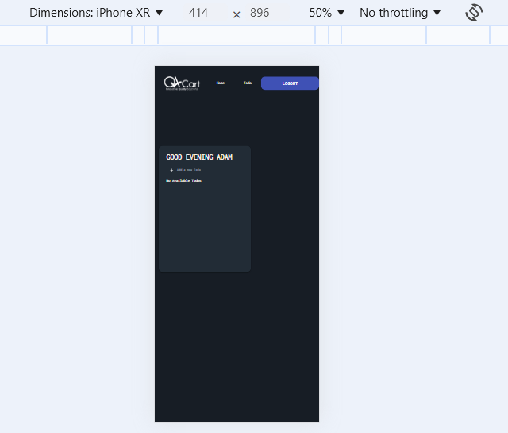
 | Expected result | The UI adjusts correctly without overlapping or misaligned elements
 | Actual result | Not as Expected
Bug tracking | Severity | high
 | Assigned to | /
 | Priority | high
Notes | Notes | /

BugReport 4
Category | Label | Value
Bug ID | ID Number | TC_034
 | Title | No available task message will appear when adding a total of 5 tasks
Bug overview | Description | In the todo page and when you add 5 todos, the message "No available tasks" will appear
 | Steps to reproduce | 1- Go to Todos Page 2- Add 5 tasks
Environment | Browser | Chrome version 131.0.6778.205

Bug details | Screenshot | 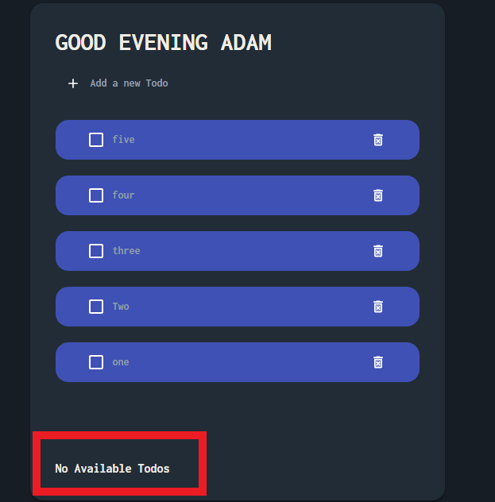
 | Expected result | No available tasks should not be visible
 | Actual result | No available tasks is visible
Bug tracking | Severity | high
 | Assigned to | /
 | Priority | high
Notes | Notes | /

BugReport 3
Category | Label | Value
Bug ID | ID Number | TC_032
 | Title | User firstname appears correctly in ToDo page if its length is equal to 2 characters
Bug overview | Description | After logging user firstname will appear correctly next to welcome message instead of "USER", firstname that used during testing is AD
 | Steps to reproduce | 1- Fill firstname in database with AD 2- Go to login page 3- Fill the email 4- Fill the password 5- Click on login
Environment | Browser | Chrome version 131.0.6778.205

Bug details | Screenshot | 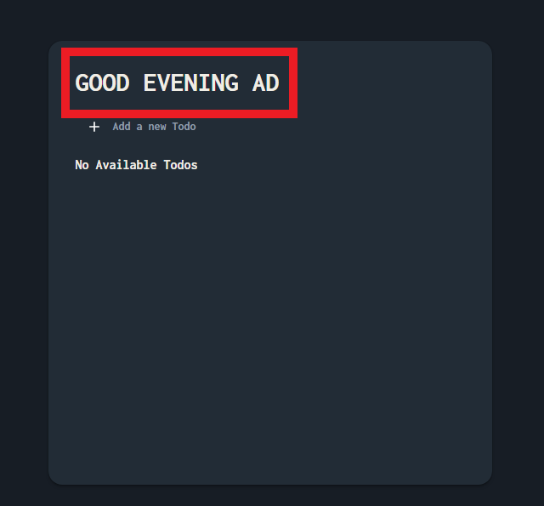
 | Expected result | user firstname should appear as USER
 | Actual result | User firstname displayed correctly
Bug tracking | Severity | Medium
 | Assigned to | /
 | Priority | Low
Notes | Notes | /

BugReport 2
Category | Label | Value
Bug ID | ID Number | TC_022
 | Title | Location of the loader in login page is wrong
Bug overview | Description | After logging and while waiting the response from the server, the loader will appear in a wrong location, down with alot of margin
 | Steps to reproduce | 1- Go to login page 2- Fill the email 3- Fill the password 4- Click on login 5- Check the loader
Environment | Browser | Chrome version 131.0.6778.205

Bug details | Screenshot | 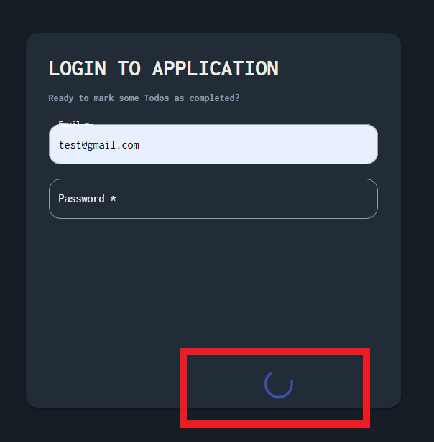
 | Expected result | The loader should appear correctly in the correct location
 | Actual result | The loader will be displayed in a wrong location
Bug tracking | Severity | Low
 | Assigned to | /
 | Priority | Low
Notes | Notes | /

BugReport 1
Category | Label | Value
Bug ID | ID Number | TC_003
 | Title | User is not able to signup if he/she enters a first name with 3 characters
Bug overview | Description | It happens in all browsers and all screen views, the first name that used during testing is ADA
 | Steps to reproduce | 1- Fill the first name with 3 characters 2- Fill the correct last name 3- Fill the correct email 4- Fill the correct password 5- Fill the correct confirm password 6- Click on signup button
Environment | Browser | Chrome version 131.0.6778.205
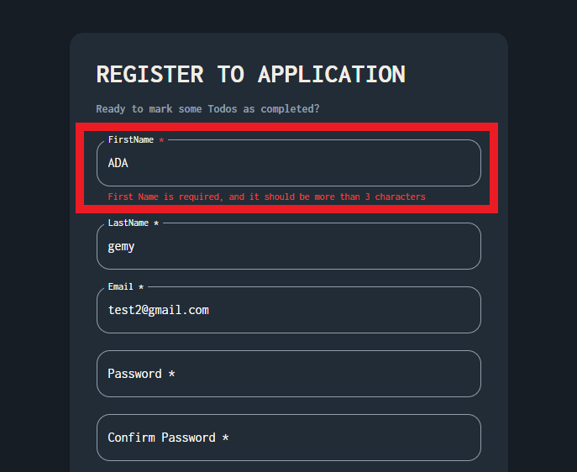
Bug details | Screenshot
 | Expected result | Should be able to signup correctly
 | Actual result | This error message was displayed "First Name is required, and it should be more than 3 characters"
Bug tracking | Severity | Medium
 | Assigned to | /
 | Priority | Medium
Notes | Notes | /

